exchange rates
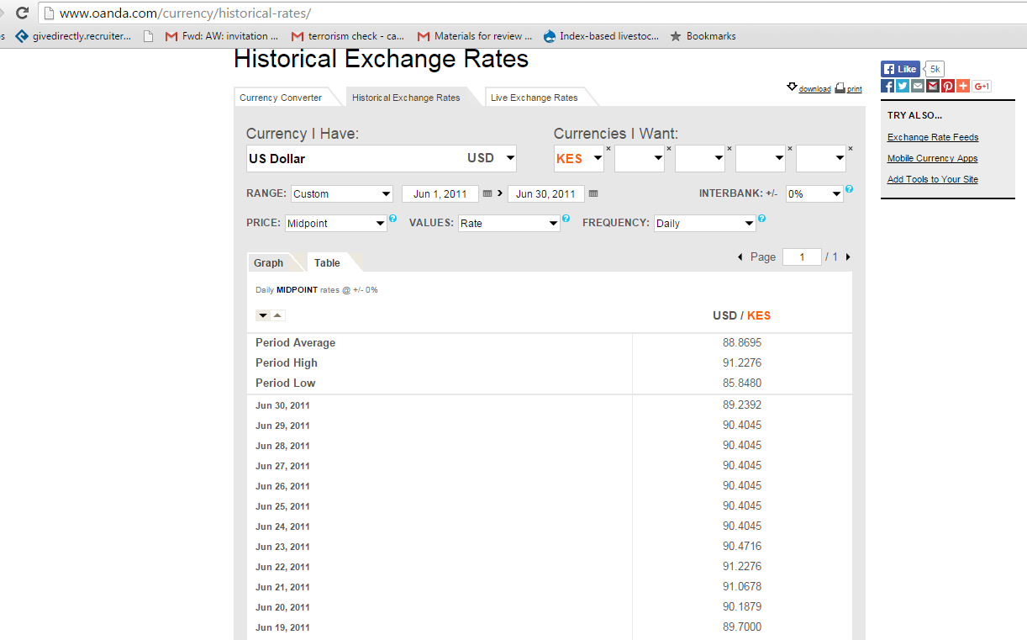
Period Average | 88.8695
Period High | 91.2276
Period Low | 85.848
30-Jun-11 | 89.2392
29-Jun-11 | 90.4045
28-Jun-11 | 90.4045
27-Jun-11 | 90.4045
26-Jun-11 | 90.4045
25-Jun-11 | 90.4045
24-Jun-11 | 90.4045
23-Jun-11 | 90.4716
22-Jun-11 | 91.2276
21-Jun-11 | 91.0678
20-Jun-11 | 90.1879
19-Jun-11 | 89.7
18-Jun-11 | 90.0545
17-Jun-11 | 89.6594
16-Jun-11 | 89.3319
15-Jun-11 | 88.933
14-Jun-11 | 89.4935
13-Jun-11 | 88.8645
12-Jun-11 | 87.9
11-Jun-11 | 87.9026
10-Jun-11 | 87.6551
9-Jun-11 | 87.5191
8-Jun-11 | 87.65
7-Jun-11 | 87.275
6-Jun-11 | 86.7922
5-Jun-11 | 86.7726
4-Jun-11 | 86.85
3-Jun-11 | 86.8147
2-Jun-11 | 86.4481
1-Jun-11 | 85.848

