Cameroon
Cameroon - number of health districts endemic for STH and schisto in each Sightsavers-supported region

Regions | STH | Schistosomiasis | Notes
North West (19 health districts) | 19 | 3 | Schisto health districts are: Ndu, AKO and Kumbo East
South West (18 health districts) | 18 | 5 | Schisto health districts are: Buea, Kumba, Mbonge,Nguti and Ekondo-Titi
West (20 health districts) | 20 | 5 | Schisto health districts are: Foumban, Foumbot, Malatouen, Galim, and Koouoptamo
Total | 57 | 13

Updated data (previously presented in Phase 2 document 16.1)

Snapshot of Sightsavers proposed intervention in Cameroon
The Behaviour Change Communication (BCC) campaign will target the entire population of the three supported regions (c.4,925,681 people) with particular attention to the primary target of school age children (5-15 years old) which constitutes 43% of the total population. That’s more than 2 million boys and girls in the targeted regions. Other BCC activities will be targeted to reach the secondary target group of parents, relatives and teachers - who play an important role in adopting good practices and positive behaviours. The programme work will be managed by staff currently working on the integrated NTD programme.

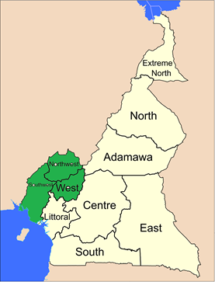

Proposed project area

Guinea
Guinea - STH and schisto disease prevalence by project area

Régions | Districts sanitaires | Schistosomiase |  | Géo-helminthiases
 |  | Prévalence | Année d'enquête | Prévalence | Année d'enquête
Boké | Boffa | 0.00% | 2013 | 3.60% | 2013
 | Boke | 2.80% | 2013 | 12.00% | 2013
 | Fria | 2.40% | 2013 | 0.40% | 2013
 | Gaoual | 63.10% | 2013 | 15.30% | 2013
 | Koundara | 27.60% | 2013 | 6.80% | 2013
Conakry | Dixinn | 0.00% | 2013 | 12.80% | 2013
 | Kaloum | 0.00% | 2013 | 12.80% | 2013
 | Matam | 0.00% | 2013 | 1.60% | 2013
 | Matoto | 12.90% | 2013 | 7.60% | 2013
 | Ratoma | 10.40% | 2013 | 9.60% | 2013
Faranah | Dabola | 3.00% | 2010 | 3.00% | 2010
 | Dinguiraye | 50.40% | 2014 | 4.40% | 2014
 | Faranah | 56.80% | 2012 | 60.00% | 2012
 | Kissidougou | 69.20% | 2012 | 54.40% | 2012
Kankan | Kankan | 19.20% | 2012 | 33.20% | 2012
 | Kerouane | 61.60% | 2012 | 28.80% | 2012
 | Kouroussa | 30.00% | 2012 | 27.20% | 2012
 | Mandiana | 2.00% | 2012 | 24.00% | 2012
 | Siguiri | 49.20% | 2014 | 0.40% | 2014
Kindia | Coyah | 5.20% | 2013 | 7.20% | 2013
 | Dubreka | 2.00% | 2013 | 12.00% | 2013
 | Forecariah | 1.70% | 2011 | 66,7% | 2011
 | Kindia | 62.00% | 2013 | 43.60% | 2013
 | Telimele | 1.20% | 2013 | 31.60% | 2013
Labé | Koubia | 11.60% | 2014 | 1.20% | 2014
 | Labe | 2.33% | 2010 | 5.00% | 2010
 | Lelouma | 74.40% | 2013 | 74.00% | 2013
 | Mali | 7.60% | 2014 | 1.60% | 2014
 | Tougue | 0.00% | 2014 | 0.80% | 2014
Mamou | Dalaba | 0.00% | 2014 | 29.20% | 2014
 | Mamou | 43.33% | 2010 | 4.66% | 2010
 | Pita | 0.00% | 2014 | 21.20% | 2014
N'Zérékoré | Beyla | 66.20% | 2010 | 51,2% | 2010
 | Gueckedou | 76.80% | 2011 | 67,6% | 2011
 | Lola | 79.20% | 2013 | 28.80% | 2013
 | Macenta | 46.30% | 2011 | 67,6% | 2011
 | N'Zerekore | 77.60% | 2011 | 54,7% | 2011
 | Yomou | 70.00% | 2013 | 17.20% | 2013

States in black proposed for GiveWell support from 2017
Data also presented in Sightsavers deworming wishlist

Snapshot of Sightsavers proposed intervention in Guinea
Sightsavers has been supporting implementation of CDTI in Guinea since 1993 when it initiated a pilot project covering the province of Mamou. Today Sightsavers' support reaches five regions in partnership with the Ministry of Health and we have an office with five staff based in Conakry. STH and schisto are endemic in 17 and 31 health districts respectively, and are co-endemic in 15 health districts. Mass drug administration for both diseases is currently supported in areas co-endemic with LF by USAID funds through Helen Keller International (HKI) / ENVISION. The three districts of Nzerekore, Lola and Yomou are not endemic for LF and a gap has been identified for the expansion of support for schisto and STH MDA in these three districts, which have amongst the highest prevalence in the country. Sightsavers proposed intervention is a school based deworming program in three districts. These are new districts for Sightsavers and we will expand our operations to these areas, aiming to reach and treat 182,263 school age children.

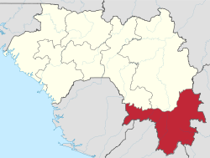

Map of Guinea highlighting Nzerekore region

Ivory Coast
Ivory Coast - STH and schisto disease prevalence by project area

Region | Health district | Estimated Population | Schistosomiasis disease prevalence | STH disease prevalence
WORODOUGOU-BERE | Mankono district | 410,289 | 6.65% | 37.82%

Data also presented in Sightsavers deworming wishlist

Snapshot of Sightsavers proposed intervention in Ivory Coast
Sightsavers began working in Cote d’Ivoire in 2012 and since 2015 we have taken a leading role in the fight against NTDs in the country. We currently have a program in Cote d’Ivoire to reduce the prevalence of oncho and LF, and in 2016 this project achieved total geographic coverage of all endemic districts for the first time. An integrated strategic plan was developed by the MoH for onchocerciasis, LF, soil-transmitted helminths (STH) and schistosomiasis (SCH) from 2016 to 2020. The majority of Cote d’Ivoire’s 82 districts have MDA programs for schisto and STH supported by SCI (schisto in 34 districts and STH in 27 districts) focused upon school aged children. A review of districts indicates that Mankono district has a gap for community-based schisto and STH MDA. Sightsavers would like to fill this gap if funding allows in order to ensure that all qualified districts are receiving MDA. Sightsavers’ proposed intervention includes community based MDA for STH and schisto in Mankono district, which will reach 229,762 people at risk. Activity will be integrated with Sightsavers support of oncho MDA in Mankono district.
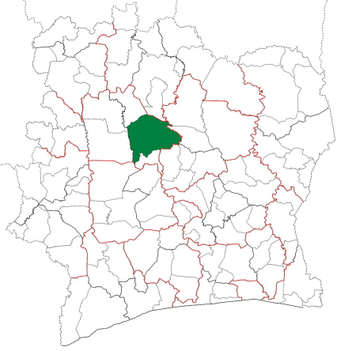

Map of Cote d’Ivoire highlighting Mankono district

