Summary data & graphs
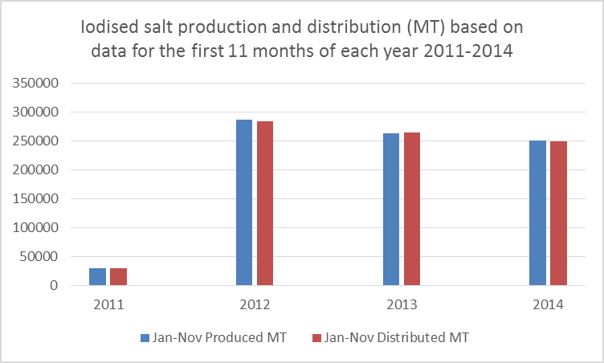
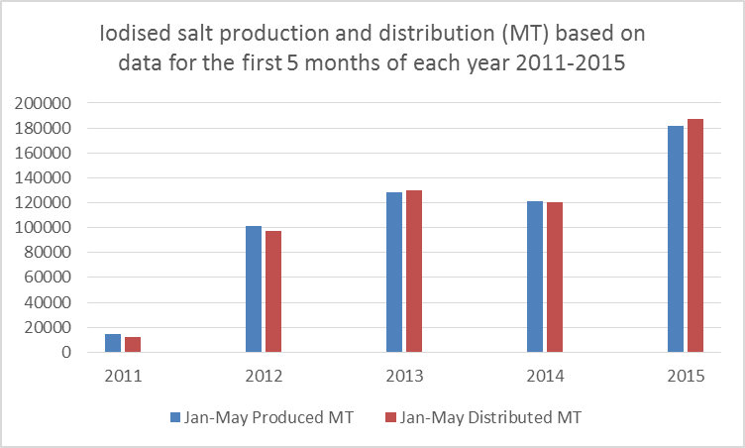
Summary annual iodised salt production and distribution data in Ethiopia for 2011 to 2015

Year (EFY) | Population in | Est. yearly Salt Demand MT | Total IS Produced MT | Total IS Distributed MT | % of demand met with iodised salt* | Notes
2011 | 81,631,100 | 297,954 | 32807 | 30866 | 10.4%
2012 | 84,320,987 | 307,772 | 311891 | 308404 | 100.2%
2013 | 87,012,513 | 317,596 | 287719 | 288051 | 90.7%
2014 | 89,789,952 | 300,422 | 251080 | 249842 | 83.2% | % needs met based on 11 months production data (data missing for Dec 2014)
2015** | 92,656,048 | 140,915 | 182031 | 186908 | 132.6% | % needs met based on 5 months production data (data only available to May 2015)

Percent of estimated national salt requirements met through distribution of domestically produced iodised salt *
* Based on FMOH data It does not indicate quality of iodisation of this salt.
** 2014 data only available for 11 months
*** 2015 data only available for 5 months
Due to seasonality of salt production, the figures for 2014 and 2015 may not reflect % demand met over the whole year

